RAFI SEAFOOD (Seafood)
DATE | DESCRIPTION | QUANTITY | PRICE | BILLS | SUBTOTAL | TOTAL
2-Jan-2026 | PRAWN 20 | 6 | IDR 185,000 | 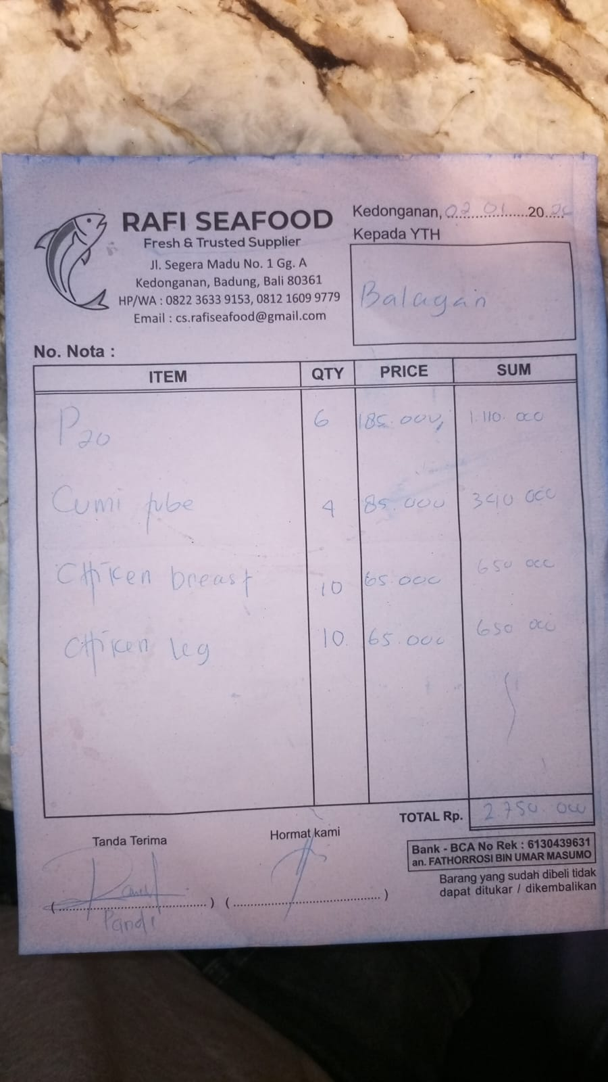 | IDR 1,110,000 | IDR 2,750,000
 | SQUID TUBE | 4 | IDR 85,000 |  | IDR 340,000
 | CHICKEN BREAST | 10 | IDR 65,000 |  | IDR 650,000
 | CHICKEN LEG | 10 | IDR 65,000 |  | IDR 650,000
3-Jan-2026 | MINCE BEEF | 5 | IDR 150,000 | 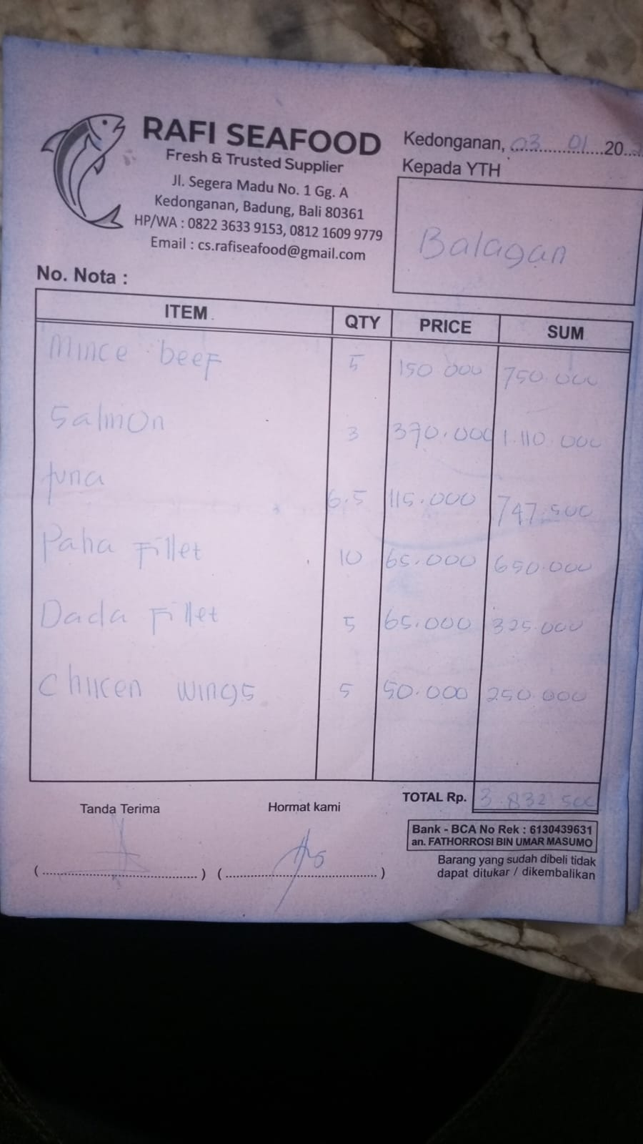 | IDR 750,000 | IDR 3,832,500
 | SALMON | 3 | IDR 370,000 |  | IDR 1,110,000
 | TUNA | 6.5 | IDR 115,000 |  | IDR 747,500
 | LEG FILLET | 10 | IDR 65,000 |  | IDR 650,000
 | BREAST FILLET | 5 | IDR 65,000 |  | IDR 325,000
 | CHICKEN WINGS | 5 | IDR 50,000 |  | IDR 250,000
7-Jan-2026 | TUNA | 10.9 | IDR 115,000 | 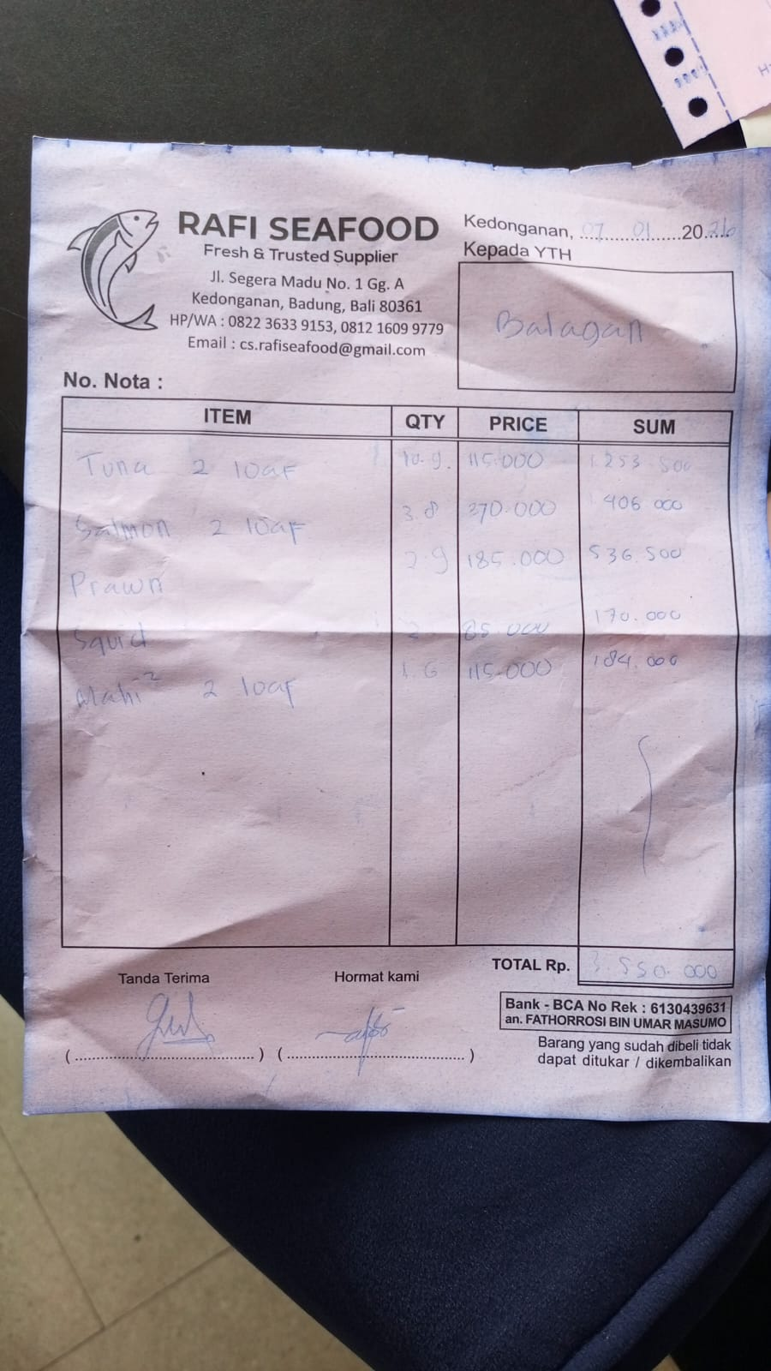 | IDR 1,253,500 | IDR 3,550,000
 | SALMON | 3.8 | IDR 370,000 |  | IDR 1,406,000
 | PRAWN | 2.9 | IDR 185,000 |  | IDR 536,500
 | SQUID TUBE | 2 | IDR 85,000 |  | IDR 170,000
 | MAHI-MAHI | 1.6 | IDR 115,000 |  | IDR 184,000
9-Jan-2026 | CHICKEN LEG | 10 | IDR 65,000 | 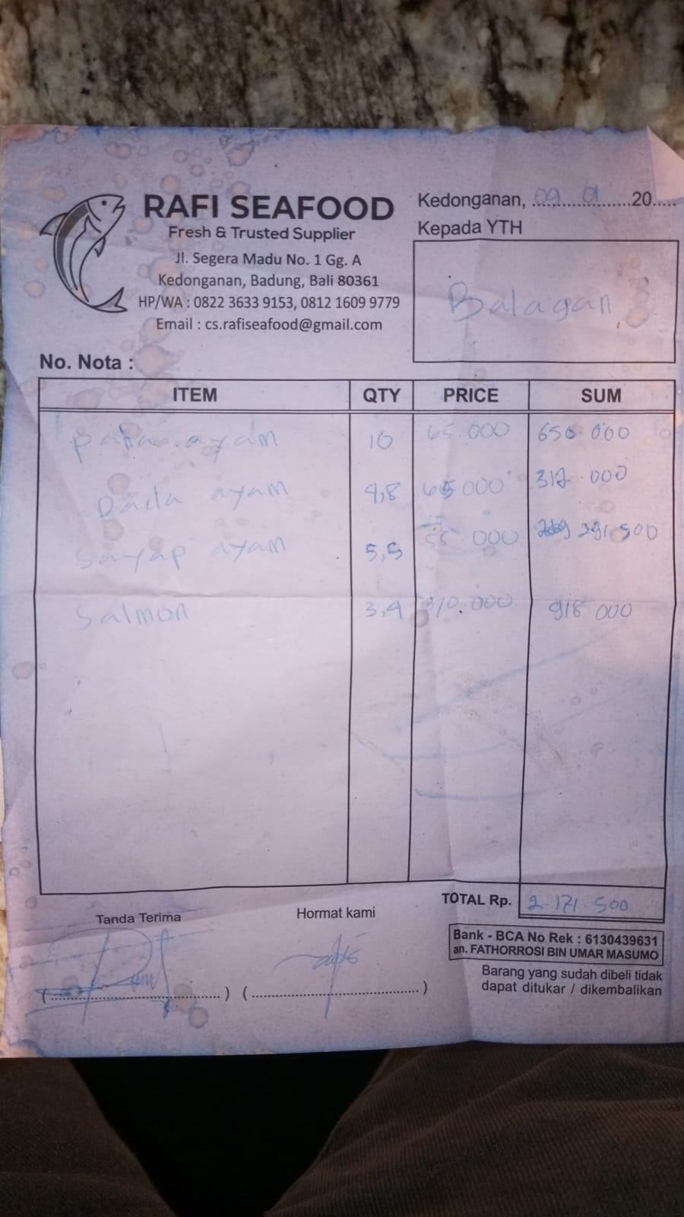 | IDR 650,000 | IDR 2,171,500
 | CHICKEN BREAST | 4.8 | IDR 65,000 |  | IDR 312,000
 | CHICKEN WINGS | 5.3 | IDR 55,000 |  | IDR 291,500
 | SALMON | 3.4 | IDR 370,000 |  | IDR 918,000
10-Jan-2026 | SALMON | 1.92 | IDR 370,000 | 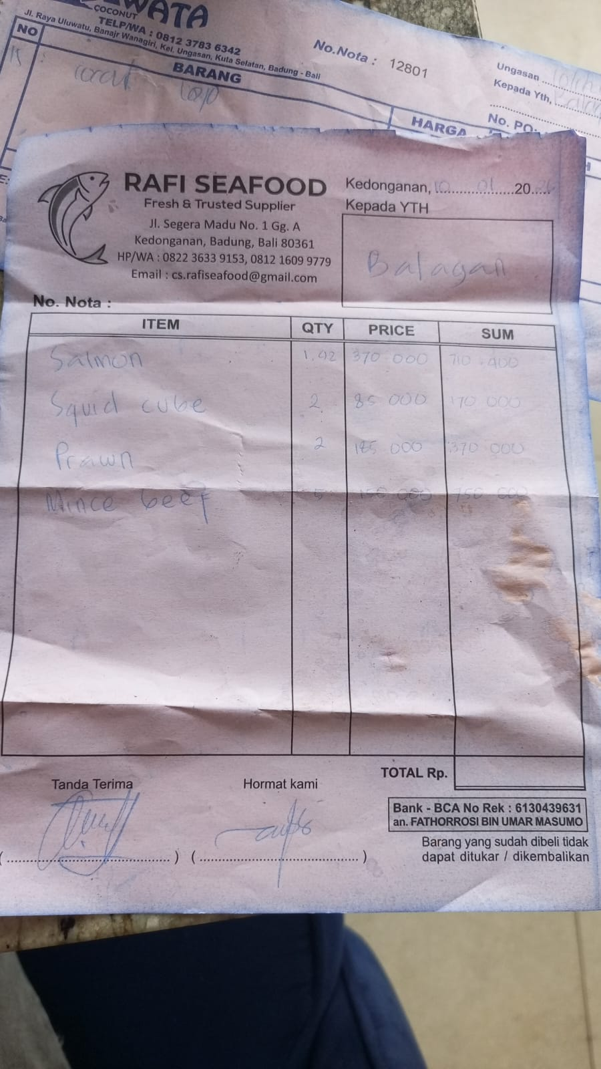 | IDR 710,400 | IDR 2,000,400
 | SQUID TUBE | 2 | IDR 85,000 |  | IDR 170,000
 | PRAWN | 2 | IDR 185,000 |  | IDR 370,000
 | MINCE BEEF | 5 | IDR 150,000 |  | IDR 750,000
12-Jan-2026 | SQUID TUBE | 2 | IDR 85,000 | 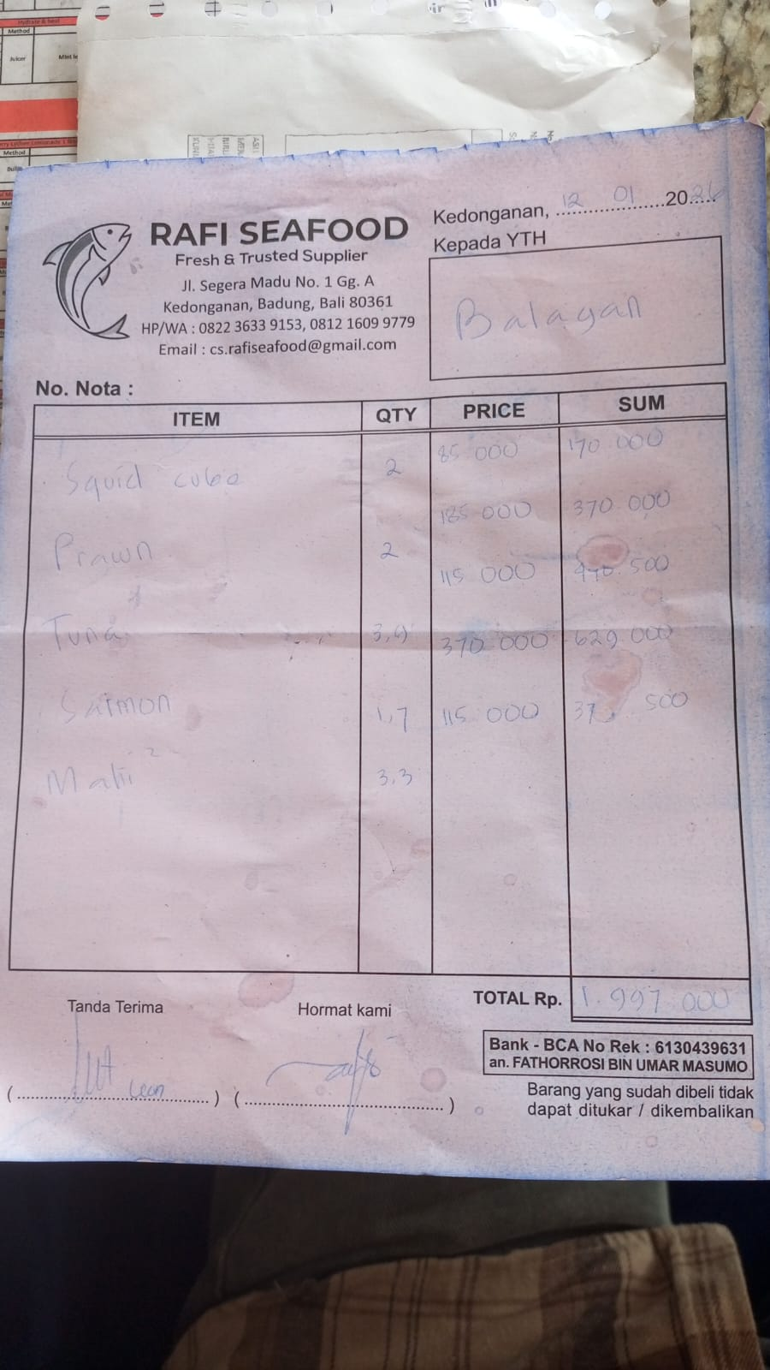 | IDR 170,000 | IDR 1,997,000
 | PRAWN | 2 | IDR 185,000 |  | IDR 370,000
 | TUNA | 3.9 | IDR 115,000 |  | IDR 448,500
 | SALMON | 1.7 | IDR 370,000 |  | IDR 629,000
 | MAHI-MAHI | 3.3 | IDR 115,000 |  | IDR 379,500
14-Jan-2026 | TUNA | 4.8 | IDR 115,000 | 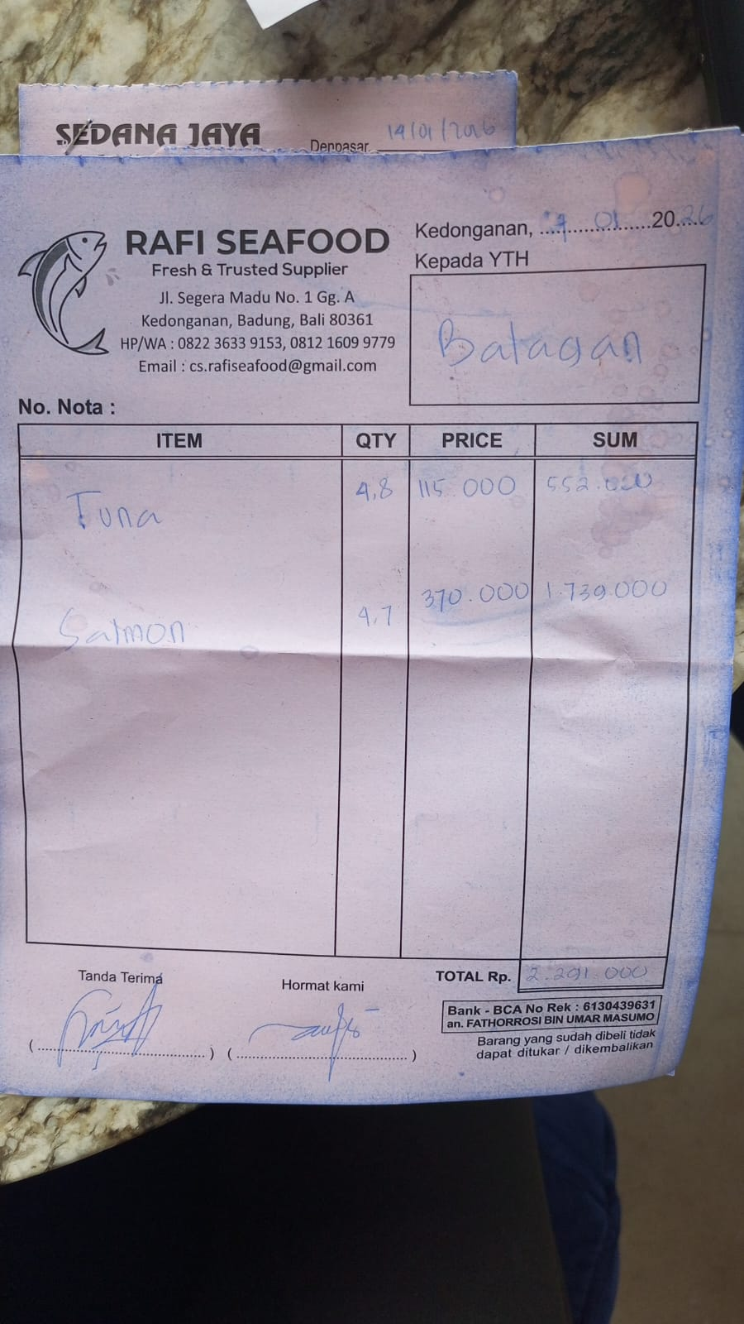 | IDR 552,000 | IDR 2,291,000
 | SALMON | 4.7 | IDR 370,000 |  | IDR 1,739,000
15-Jan-2026 | SALMON | 1.7 | IDR 370,000 | 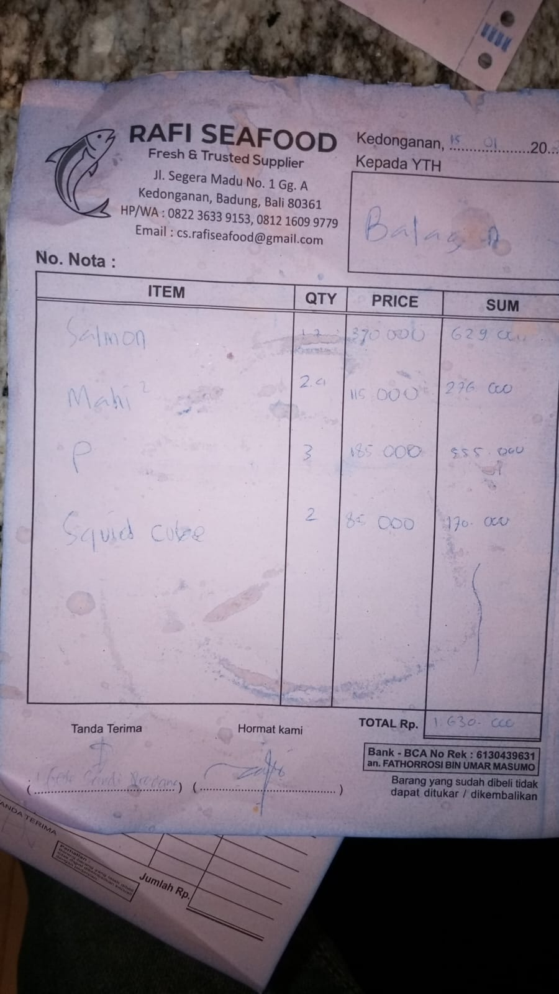 | IDR 629,000 | IDR 1,630,000
 | MAHI-MAHI | 2.4 | IDR 115,000 |  | IDR 276,000
 | PRAWN | 3 | IDR 185,000 |  | IDR 555,000
 | SQUID TUBE | 2 | IDR 85,000 |  | IDR 170,000
16-Jan-2026 | TUNA | 5.6 | IDR 115,000 | 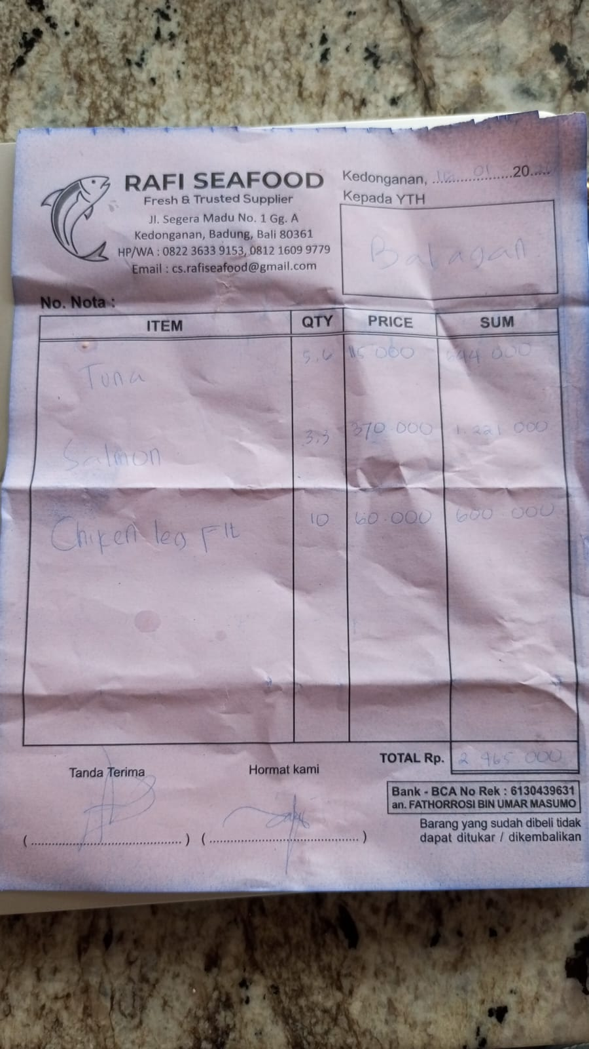 | IDR 644,000 | IDR 2,465,000
 | SALMON | 3.3 | IDR 370,000 |  | IDR 1,221,000
 | CHICKEN LEG | 10 | IDR 60,000 |  | IDR 600,000
17-Jan-2026 | TUNA | 4.4 | IDR 115,000 | 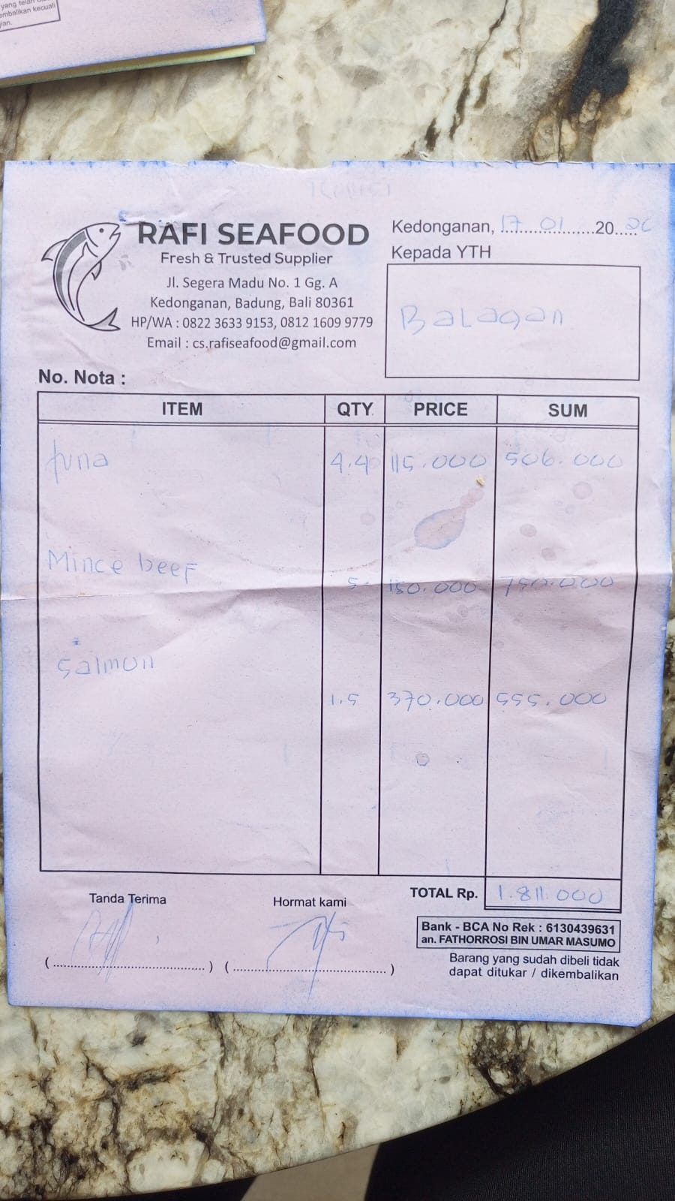 | IDR 506,000 | IDR 1,811,000
 | MINCE BEEF | 5 | IDR 150,000 |  | IDR 750,000
 | SALMON | 1.5 | Rp370,000 |  | IDR 555,000
18-Jan-2026 | PRAWN | 3 | Rp185,000 | 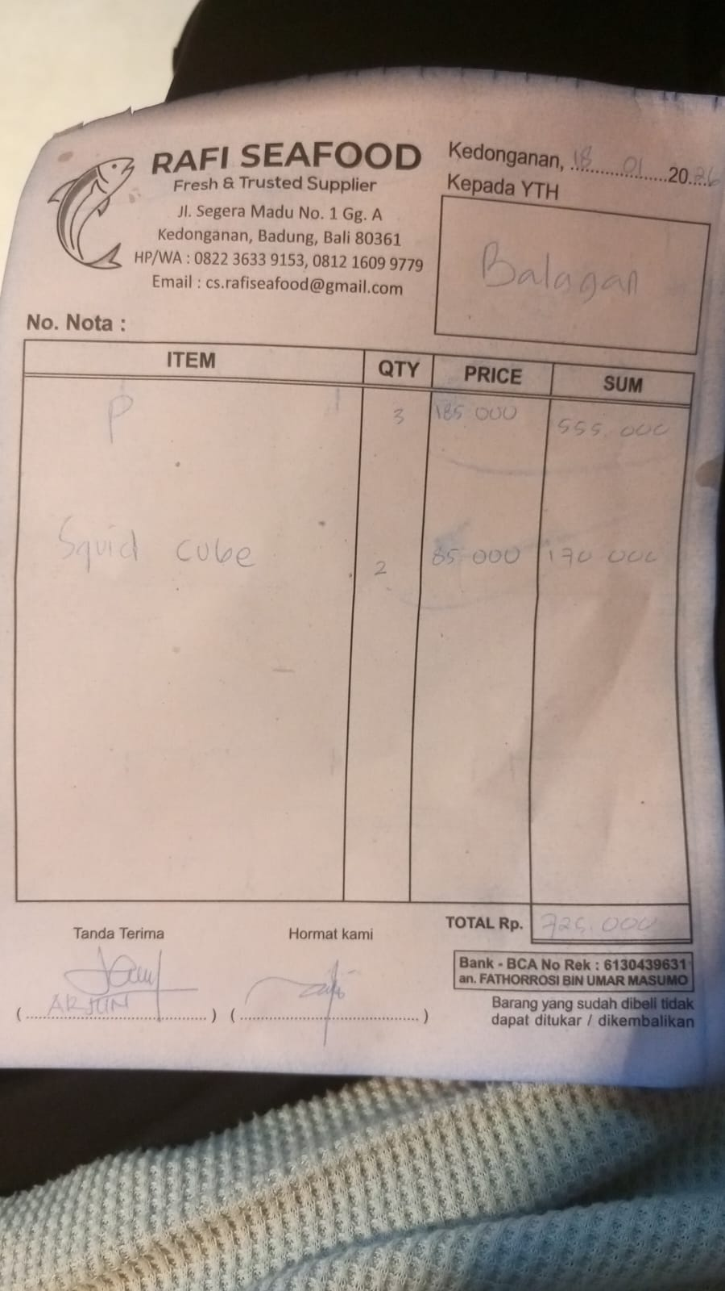 | IDR 555,000 | Rp725,000
 | SQUID TUBE | 2 | Rp85,000 |  | IDR 170,000
19-Jan-2026 | PRAWN | 5 | Rp185,000 | 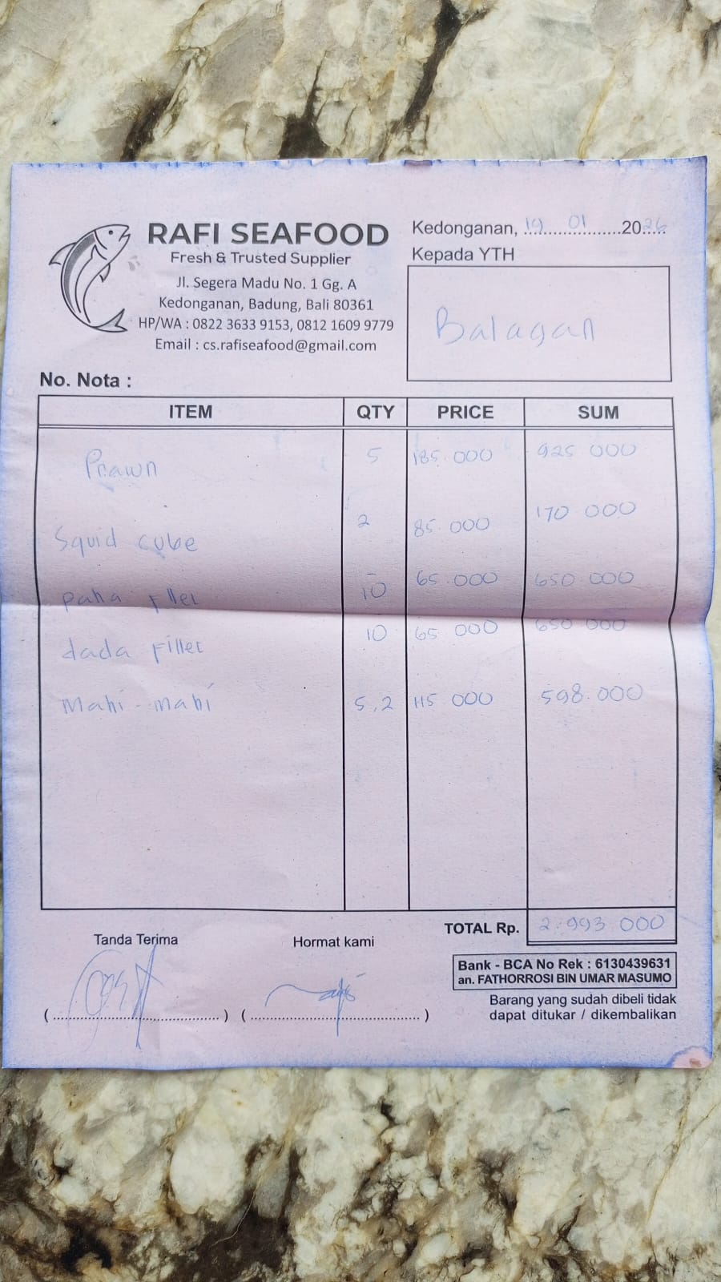 | IDR 925,000 | Rp2,993,000
 | SQUID TUBE | 2 | Rp85,000 |  | IDR 170,000
 | LEG FILLET | 10 | Rp65,000 |  | IDR 650,000
 | CHEST FILLET | 10 | Rp65,000 |  | Rp650,000
 | MAHI-MAHI | 5.2 | Rp115,000 |  | Rp598,000
22-Jan-2026 | TUNA | 10.8 | Rp115,000 | 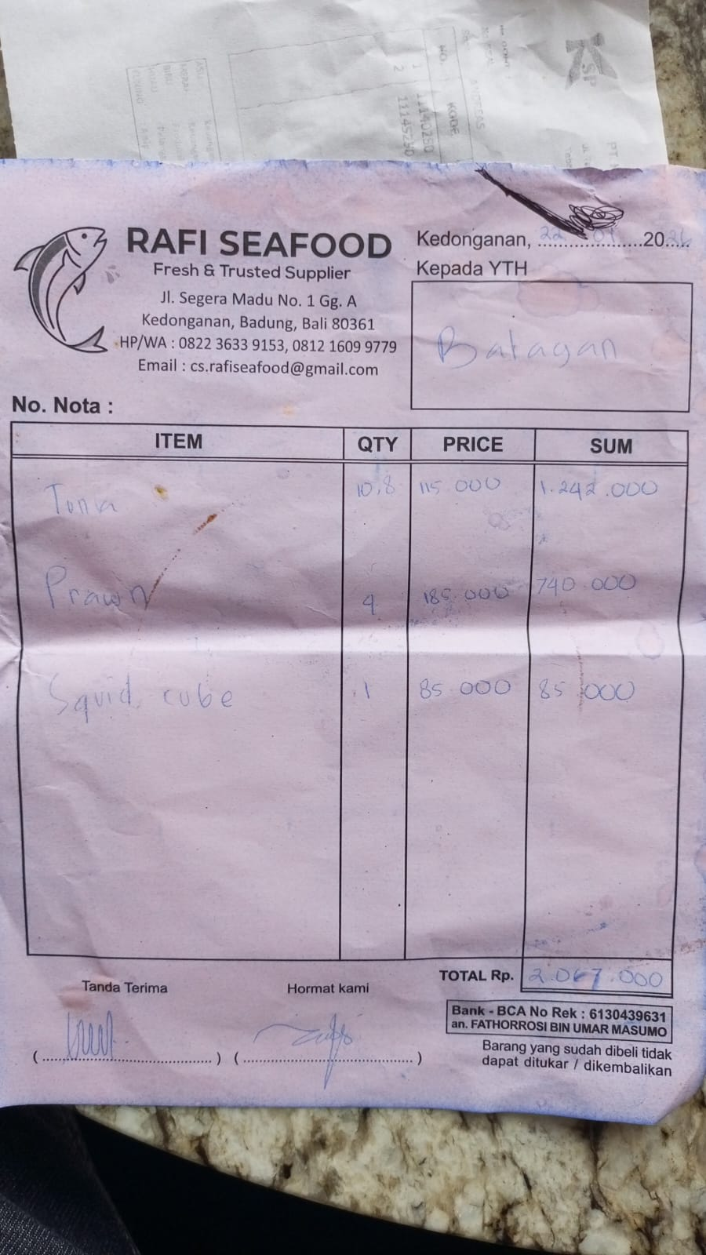 | Rp1,242,000 | IDR 2,067,000
 | PRAWN | 4 | Rp185,000 |  | Rp740,000
 | SQUID TUBE | 1 | IDR 85,000 |  | Rp85,000
25-Jan-2026 | TUNA | 10.5 | IDR 115,000 | 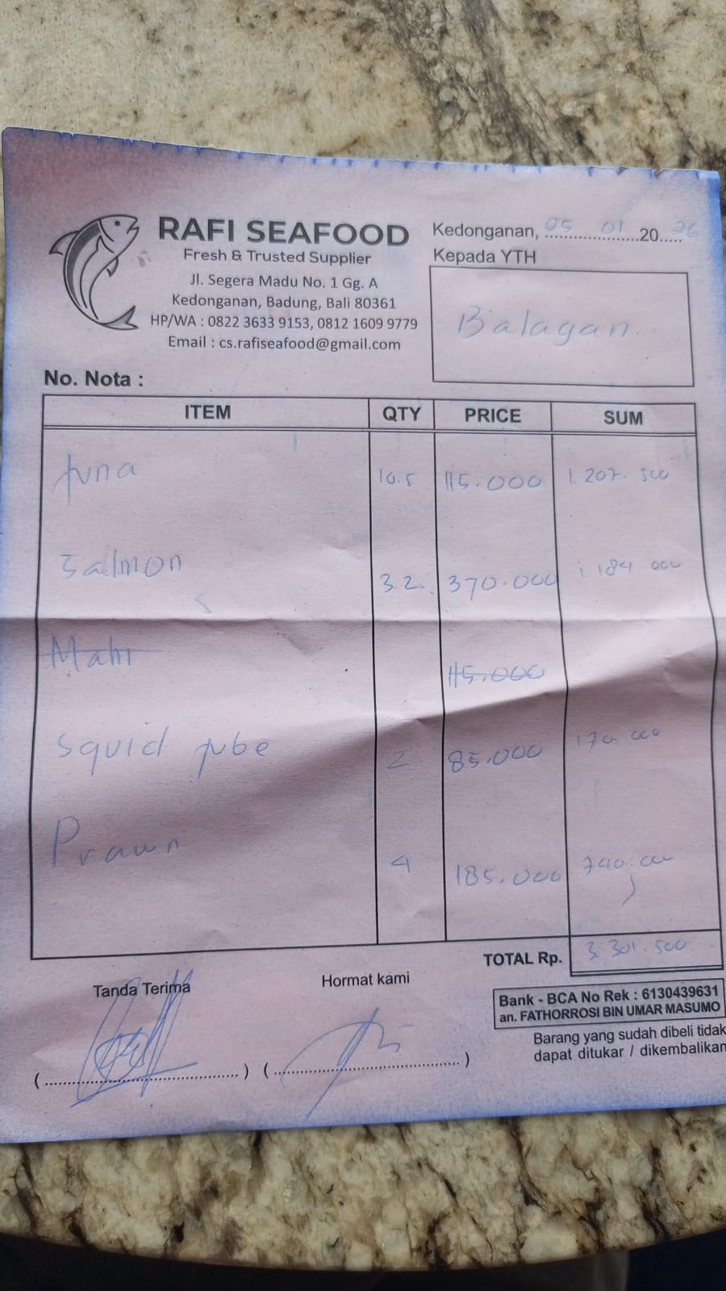 | Rp1,207,500 | IDR 3,301,500
 | SALMON | 3.2 | IDR 370,000 |  | Rp1,184,000
 | SQUID TUBE | 2 | IDR 85,000 |  | Rp170,000
 | PRAWN | 4 | IDR 185,000 |  | Rp740,000
26-Jan-2026 | MAHI-MAHI | 1.4 | IDR 115,000 | 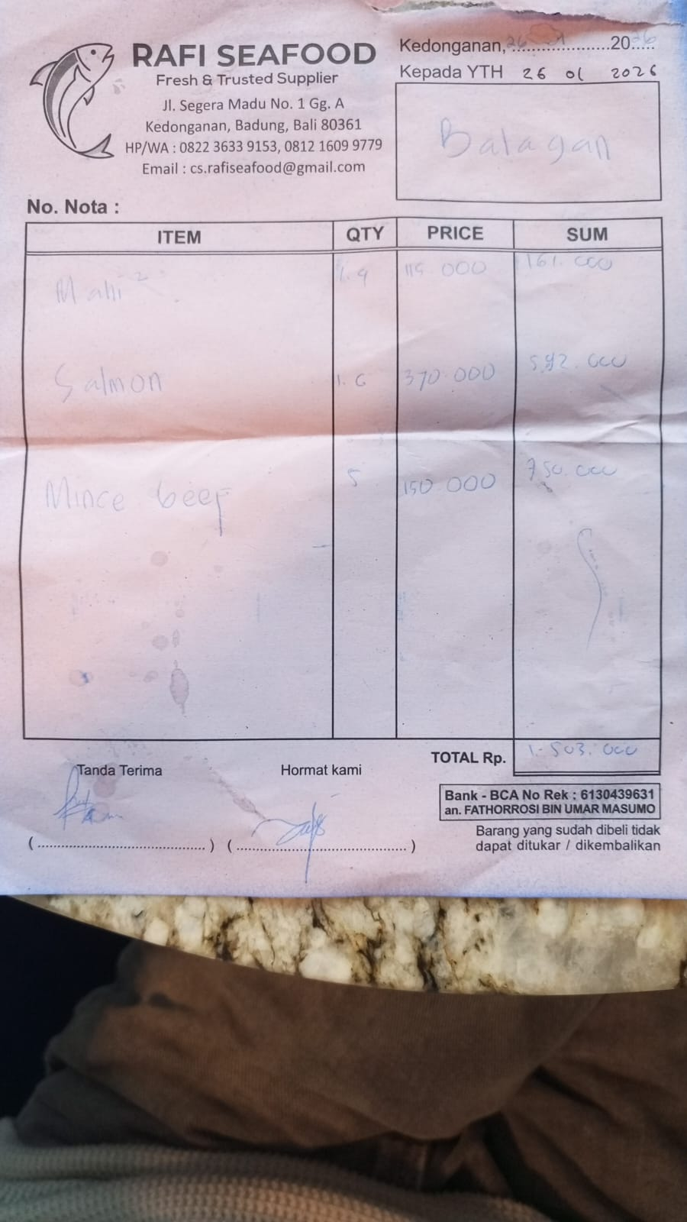 | Rp161,000 | IDR 1,503,000
 | SALMON | 1.6 | IDR 370,000 |  | Rp592,000
 | MINCE BEEF | 5 | IDR 150,000 |  | Rp750,000
27-Jan-2026 | LEG FILLET | 10 | IDR 65,000 | 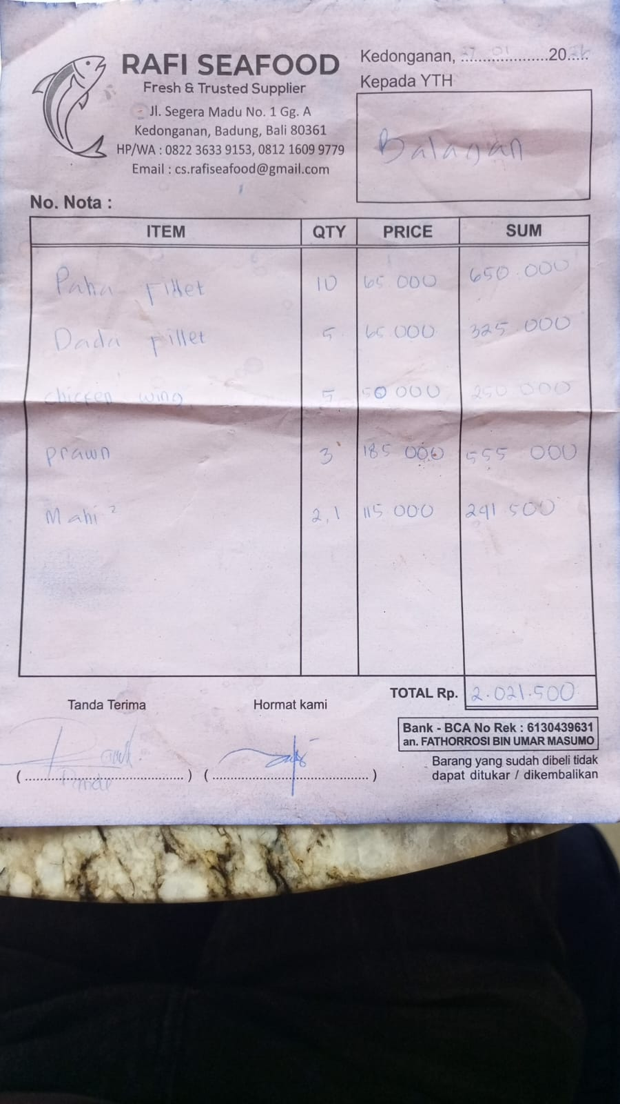 | Rp650,000 | IDR 2,021,500
 | BREAST FILLET | 5 | IDR 65,000 |  | Rp325,000
 | CHICKEN WINGS | 5 | IDR 50,000 |  | Rp250,000
 | PRAWN | 3 | IDR 185,000 |  | Rp555,000
 | MAHI-MAHI | 2.1 | IDR 115,000 |  | Rp241,500
31-Jan-2026 | SALMON | 3.9 | IDR 370,000 | 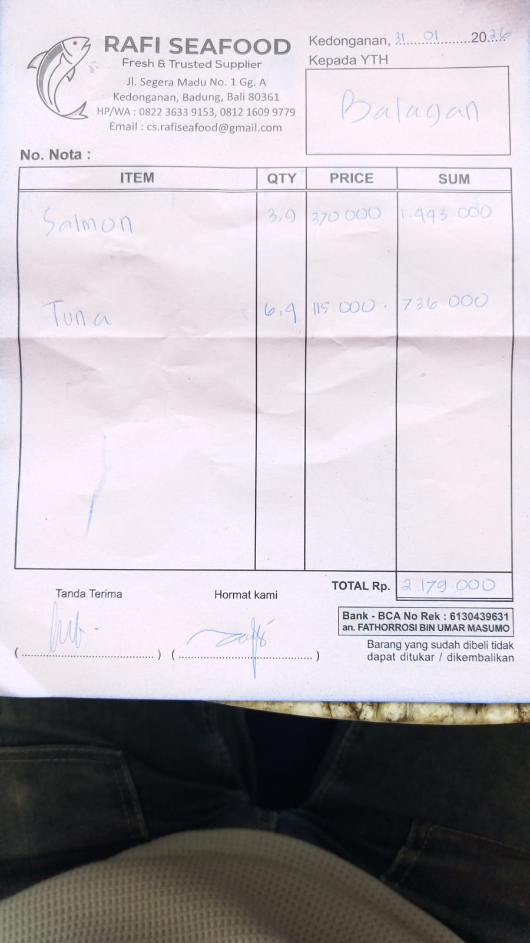 | IDR 1,443,000 | IDR 2,179,000
 | TUNA | 6.4 | IDR 115,000 |  | IDR 736,000

 |  |  | Rp39,288,400

